MyPyramid
MyPyramid.gov
Mini-Poster available at http://www.mypyramid.gov/downloads/MiniPoster.pdf

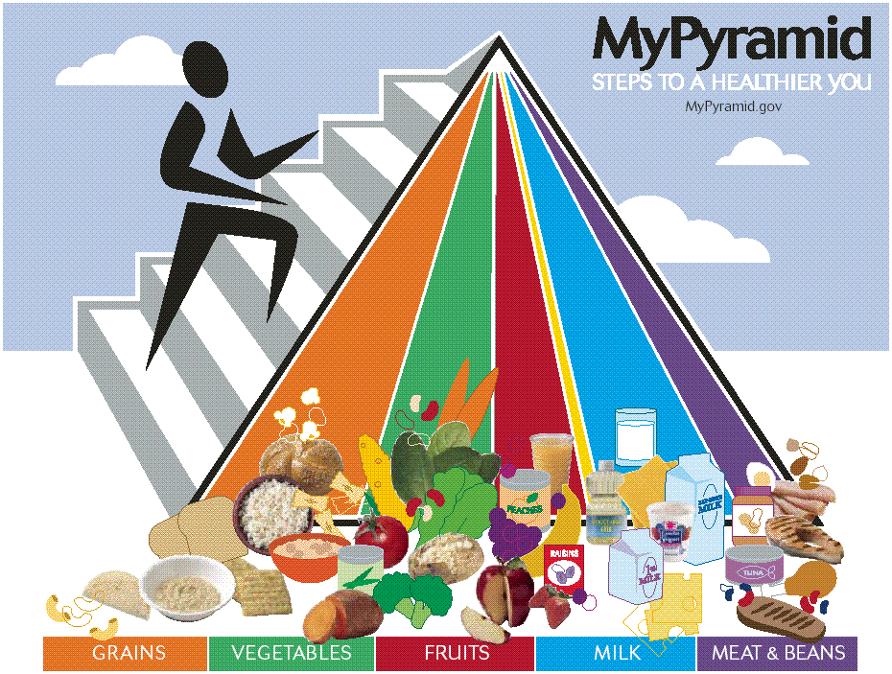

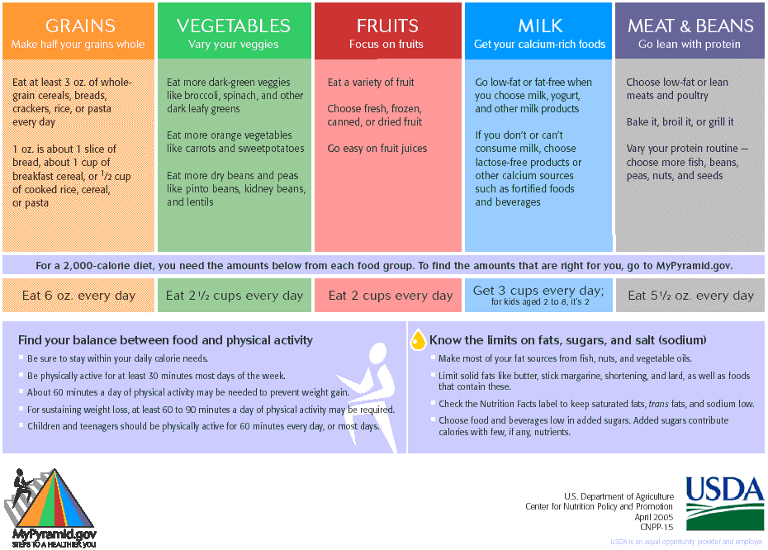

Source | MyPyramid.gov
 | http://www.mypyramid.gov/downloads/MiniPoster.pdf

